Total Costs (instate and out)
Year | Billion 2018 USD
2025.05 | 20.48
2030.11 | 20.72
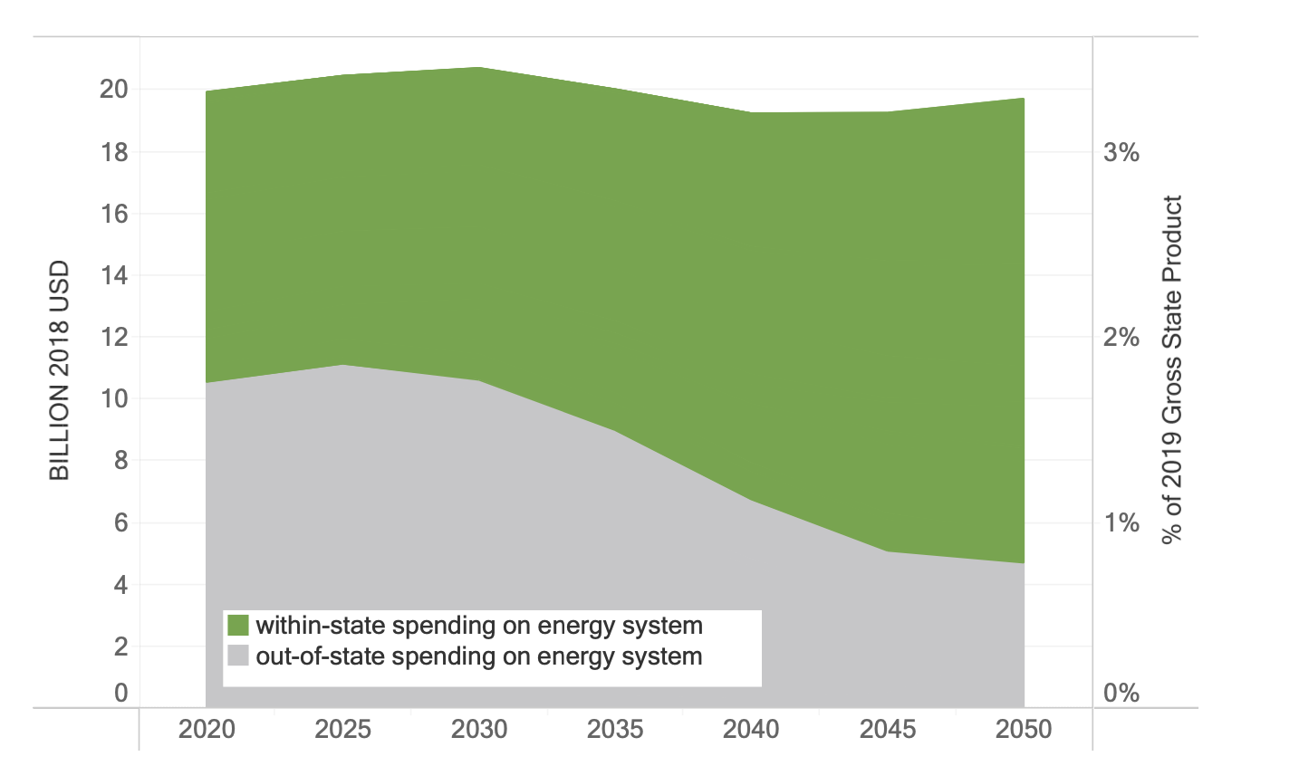
2035.47 | 19.98
2040.03 | 19.28
2045.17 | 19.29
2050.04 | 19.77

